GUI forms
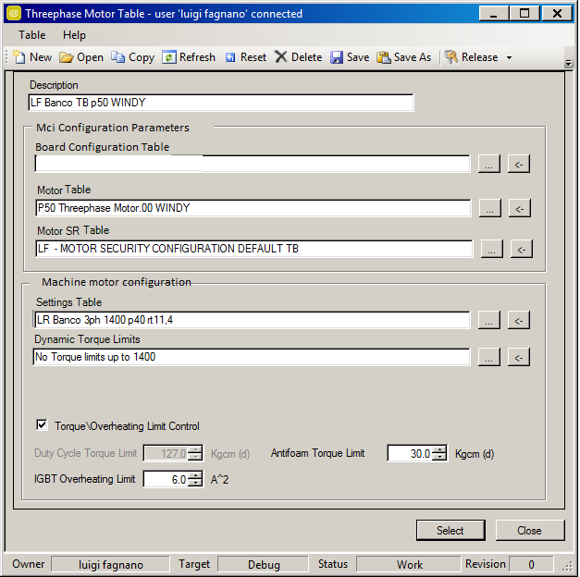
Put here the names of the GESE tables required by the displacement implementation

NAME
Board Configuration Table
Motor Table
Motor SR Table

Setting Table
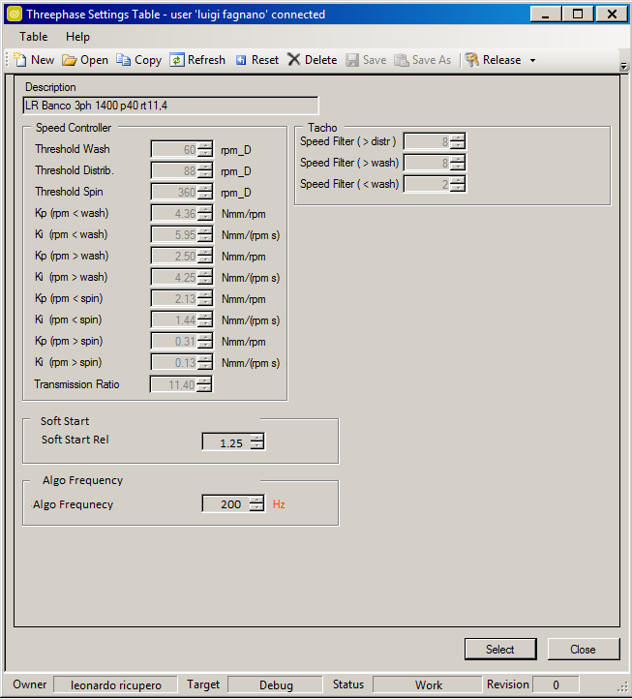
Algorithm
Parametro | Unità di Misura | Valore Tipico | Valore Minimo | Valore Massimo | Cifre Decimali
Algo Frequency | Hz | 200 | 0 | 20000 | 0
Speed Controller (SC)
Parametro | Unità di Misura | Valore Tipico | Valore Minimo | Valore Massimo | Cifre Decimali
Threshold Wash | rpm_D | 60 | 0 | Base Speed/RT | 0
Threshold Distribution | rpm_D | 88 | 0 | Base Speed/RT | 0
Threshold Spin | rpm_D | 1280 | 0 | Base Speed/RT | 0
Max Speed Motor | rpm_M | 19800 | 0 | 30000 | 0
Kp (rpm<wash) | Nmm/rpm | 8.00 | 0 | 1000 | 2
Ki (rpm<wash) | Nmm/(rpm s) | 6.50 | 0 | 1000 | 2
Kp (rpm>wash) | Nmm/rpm | 1.30 | 0 | 1000 | 2
Ki(rpm>wash) | Nmm/(rpm s) | 5.90 | 0 | 1000 | 2
Kp (rpm<spin) | Nmm/rpm | 1.30 | 0 | 1000 | 2
Ki (rpm<spin) | Nmm/(rpm s) | 5.90 | 0 | 1000 | 2
Kp (rpm>spin) | Nmm/rpm | 0.50 | 0 | 1000 | 2
Ki (rpm>spin) | Nmm/(rpm s) | 1.90 | 0 | 1000 | 2
Transmission Ratio | adm | 11.70 | 0 | 100 | 2
Is Max
Parametro | Unità di Misura | Valore Tipico | Valore Minimo | Valore Massimo | Cifre Decimali
Is Max Spin | Apeak | 0.000 | 0 | Base Current | 3
Is Max Tumbling | Apeak | 7.000 | 0 | Base Current | 3
Is Max Thr Speed | rpm_M | 6000 | 0 | Base Speed | 0

Dynamic Torque Limit
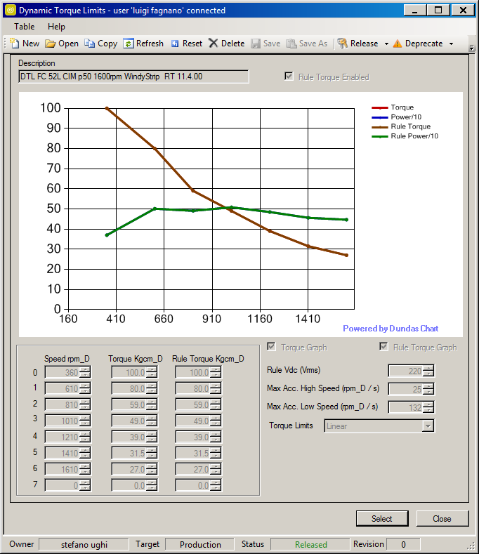
Dynamic Torque Limit
Speed
Parametro | Unità di Misura | Valore Tipico | Valore Minimo | Valore Massimo | Cifre Decimali
Speed 1 | rpm_D | 350 | 0 | Base Speed/RT | 0
Speed 2 | rpm_D | 610 | 0 | Base Speed/RT | 0
Speed 3 | rpm_D | 1010 | 0 | Base Speed/RT | 0
Speed 4 | rpm_D | 1210 | 0 | Base Speed/RT | 0
Speed 5 | rpm_D | 1410 | 0 | Base Speed/RT | 0
Speed 6 | rpm_D | 0 | 0 | Base Speed/RT | 0
Speed 7 | rpm_D | 0 | 0 | Base Speed/RT | 0
Speed 8 | rpm_D | 0 | 0 | Base Speed/RT | 0
Torque
Parametro | Unità di Misura | Valore Tipico | Valore Minimo | Valore Massimo | Cifre Decimali
Torque 1 | kgcm_D | 52.0 | 0 | Base Torque*RT | 1
Torque 2 | kgcm_D | 52.0 | 0 | Base Torque*RT | 1
Torque 3 | kgcm_D | 37.0 | 0 | Base Torque*RT | 1
Torque 4 | kgcm_D | 33.5 | 0 | Base Torque*RT | 1
Torque 5 | kgcm_D | 41.0 | 0 | Base Torque*RT | 1
Torque 6 | kgcm_D | 0.0 | 0 | Base Torque*RT | 1
Torque 7 | kgcm_D | 0.0 | 0 | Base Torque*RT | 1
Torque 8 | kgcm_D | 0.0 | 0 | Base Torque*RT | 1
Rule Torque
Parametro | Unità di Misura | Valore Tipico | Valore Minimo | Valore Massimo | Cifre Decimali
Torque Norm 1 | kgcm_D | 52.0 | 0 | Base Torque*RT | 1
Torque Norm 2 | kgcm_D | 52.0 | 0 | Base Torque*RT | 1
Torque Norm 3 | kgcm_D | 37.0 | 0 | Base Torque*RT | 1
Torque Norm 4 | kgcm_D | 33.5 | 0 | Base Torque*RT | 1
Torque Norm 5 | kgcm_D | 41.0 | 0 | Base Torque*RT | 1
Torque Norm 6 | kgcm_D | 0.0 | 0 | Base Torque*RT | 1
Torque Norm 7 | kgcm_D | 0.0 | 0 | Base Torque*RT | 1
Torque Norm 8 | kgcm_D | 0.0 | 0 | Base Torque*RT | 1
Rule Vdc
Parametro | Unità di Misura | Valore Tipico | Valore Minimo | Valore Massimo | Cifre Decimali
Vdc Norm | Vrms | 220 | 0 | Base Bus Voltage/radq(2) | 0
Ramp Limits
Parametro | Unità di Misura | Valore Tipico | Valore Minimo | Valore Massimo | Cifre Decimali
Max Acceleration Low Speed | rpm_D/s | 132 | 0 | Base Speed/RT | 0
Max Acceleration High Speed | rpm_D/s | 25 | 0 | Base Speed/RT | 0
Max Allowed Deceleration Low Speed | rpm_D/s | 50 | 0 | Base Speed/RT | 0
Max Allowed Deceleration High Speed | rpm_D/s | 15 | 0 | Base Speed/RT | 0

Base Speed Indesit | rpm_M | 19800
Base Torque Indesit | Nm_M | 4

